Nutrition Data
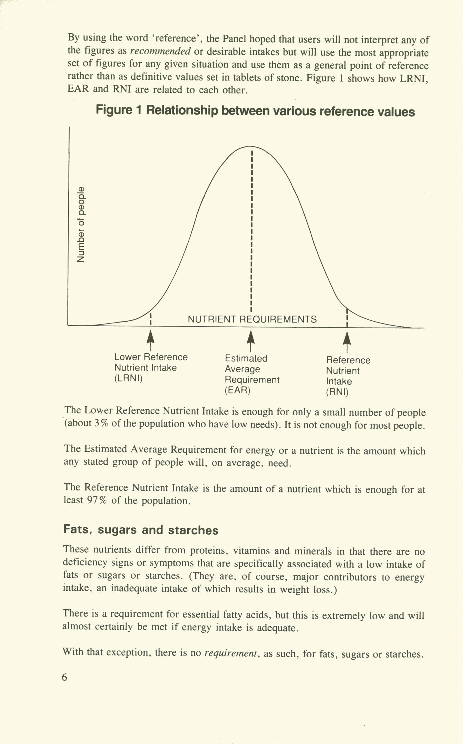
Product (per 100g) | Calcium, Ca (mg) | Iron, Fe (mg) | Selenium, Se (µg) | Zinc, Zn (mg) | Vitamin A, RAE (µg) | Vitamin D (µg) | Vitamin B-12 (µg) | Total n3PUFA (g) | 20:5 n-3 (EPA) (g) | 22:6 n-3 (DHA) (g) | Source
RNI / d men 19-50 | 700 | 8.7 | 75 | 9.5 | 700 | 10 | 1.5 |  |  |  | Nutr Req | Vit D Report
RNI / d women 19-50 | 700 | 14.8 | 60 | 7 | 600 | 10 | 1.5 |  |  |  | Nutr Req | Vit D Report
EAR men 15-50 | 525 | 6.7 | NA | 7.3 | 500 | NA | 1.25 |  |  |  | Nutr Req
EAR women 15/50 | 525 | 11.4 | NA | 5.5 | 400 | NA | 1.25 |  |  |  | Nutr Req
LRNI men 15-50 | 400 | 4.7 | 40 | 5.5 | 300 | NA | 1 |  |  |  | Nutr Req
LRNI women 15-50 | 400 | 8 | 40 | 4 | 250 | NA | 1 |  |  |  | Nutr Req
AI adults per day |  |  |  |  |  |  |  | 0.25 |  |  | ISSFAL | European EFSA
AI adults per day |  |  |  |  |  |  |  | 0.5 | 0.25 | 0.25 | ISSFAL | French AFFSA
AI adults per day |  |  |  |  |  |  |  | 1.5 g/week |  |  | ISSFAL | British Nutrition Foundation
AI adults per day |  |  |  |  |  |  |  | 0.45 |  |  | ISSFAL | British Scientific Advisory Committee on Nutrition
AI adults per day |  |  |  |  |  |  |  | 0.45 |  |  | ISSFAL | British Dietetic Association
Adult daily NRVs/RIs | 800 | 14 | 55 | 10 | 800 | 5 | 2.5 |  |  |  | EU Regulation | https://www.legislation.gov.uk/eur/2011/1169/annex/xiii

Definitions
RNI: Reference nutrient intake, will cover the needs of nearly everyone in the population
EAR: Estimated Average Requirement, will cover the needs of half the population
LRNI: Lower Reference Nutrient Intake, will cover the need of about 3% of people (is a lower bound)
AI (adequate intake) is given as an adequate/safe intake when there isn't enough detail to calculate other values.

